Guidelines
C&I 2024 Energy Efficiency Program Guidelines Boiler Tune-Up

The following is the information required for a Boiler Tune-Up Measure. This measure meets the criteria of the current NYS TRM.

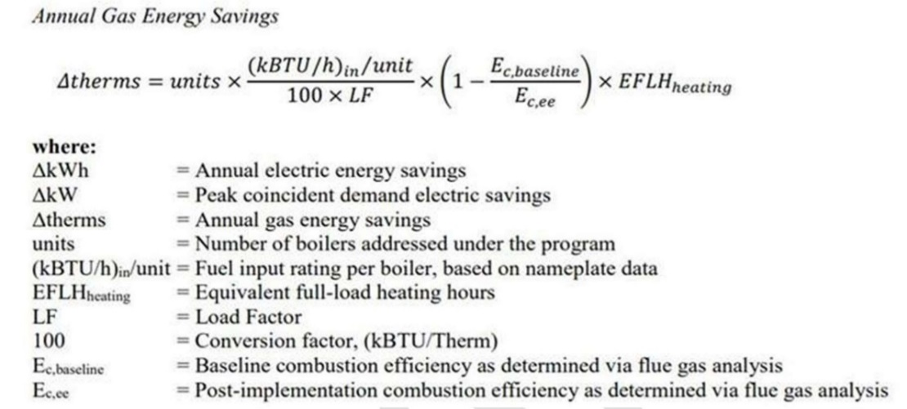

Projects applying for this measure must comply with all applicable requirements listed below.
Required Project Documentation
All projects must provide the following documentation.

1. Commercial & Industrial Program application package. In the application scope of work, submit the following:
A. Con Ed Boiler Clean And Tune Worksheet, including:
i. Building Type, HVAC Type
ii. Boiler Type, Input capacity of each boiler
iii. End use, i.e. space heating, process loads (DHW does not qualify)
iv. Annual Hours of operation (required for Process Loads)
B. Cost proposal for the associated measure from the contractor performing the work
C. Scheduled date for the work to be completed

2. Include the following additional information as attachments to your program application:
A. Photos of boiler nameplate information, including input capacity, model number, etc.
B. BMS Screenshot of all boilers connected to the boiler plant
C. Information regarding contractor that will be performing the work, including company name, and plumbing license number

3. During the installation phase, the following will be recorded and then submitted with the completion paperwork
A. Existing boiler combustion efficiency based on flue gas test prior to performing the tune-up
B. New boiler combustion efficiency based on flue gas test after tune-up measure has been implemented

C. Submit supporting documentation from flue gas test, including but not limited to stack temperature, ambient air temperature, percentage of Oxygen, Carbon Dioxide, etc.
D. Invoice detailing project costs

4. At Final Technical Review, the Con Ed Technical Review Team will revise the energy savings based on the pre and post flue gas test readings

